AutoStartPosition
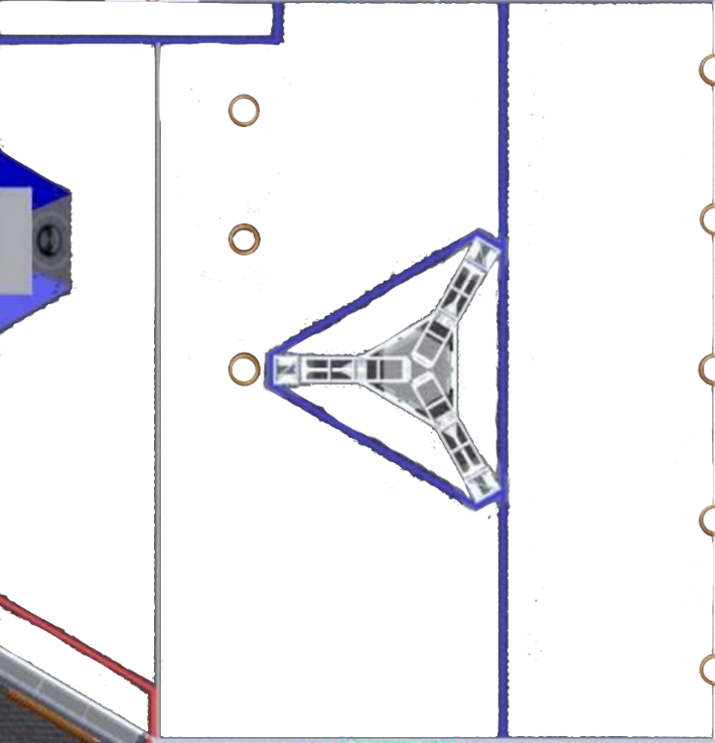
 |  |  | AutoStart Positions for team:
 |  |  |  | 2177
0 | 0 | 0 | 0 | 0 | 0 | 6 | 0 | 0 | 0 | 0 | 0
0 | 0 | 0 | 0 | 0 | 0 | 0 | 0 | 0 | 0 | 0 | 0
0 | 0 | 0 | 0 | 0 | 0 | 0 | 0 | 0 | 0 | 0 | 0
0 | 0 | 0 | 0 | 0 | 0 | 0 | 0 | 0 | 0 | 0 | 0
0 | 0 | 0 | 0 | 0 | 0 | 0 | 0 | 0 | 0 | 0 | 0
0 | 0 | 0 | 0 | 0 | 0 | 0 | 0 | 0 | 0 | 0 | 0

